Example Matrix
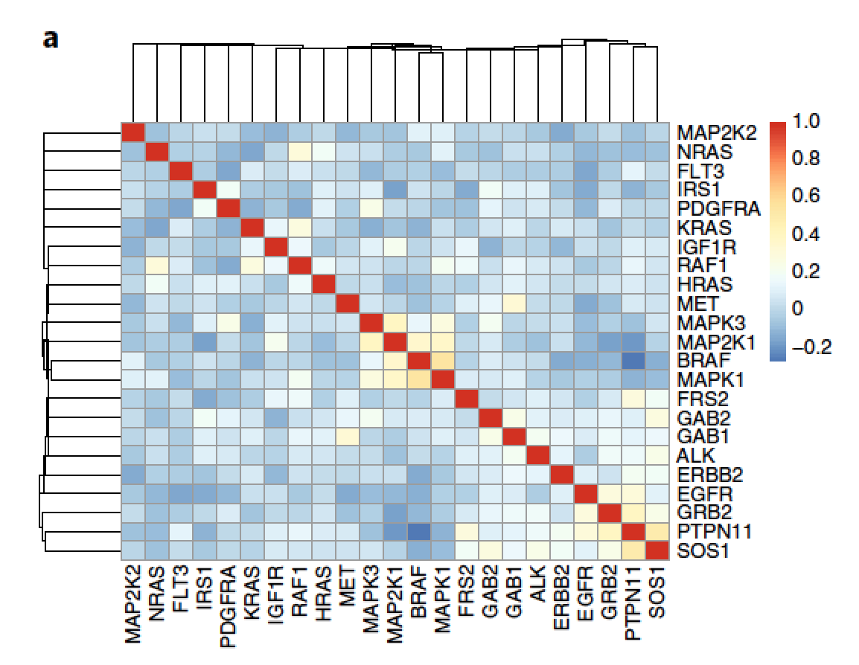
Example matrix from Nichols et al Nat Cell Biol 2018 - RNAi dependencies from project DRIVE
Here looking at much smaller set of genes just from RAS signaling pathway. For this analysis may go out to >400 genes
Will be comparison of dependency correlations on per gene basis across all lines + across only MM lines
All comparison of dependency vs. expression correlations across all lines + across only MM lines

Candidates for list
https://www.sciencedirect.com/science/article/pii/S0092867414007405?via%3Dihub
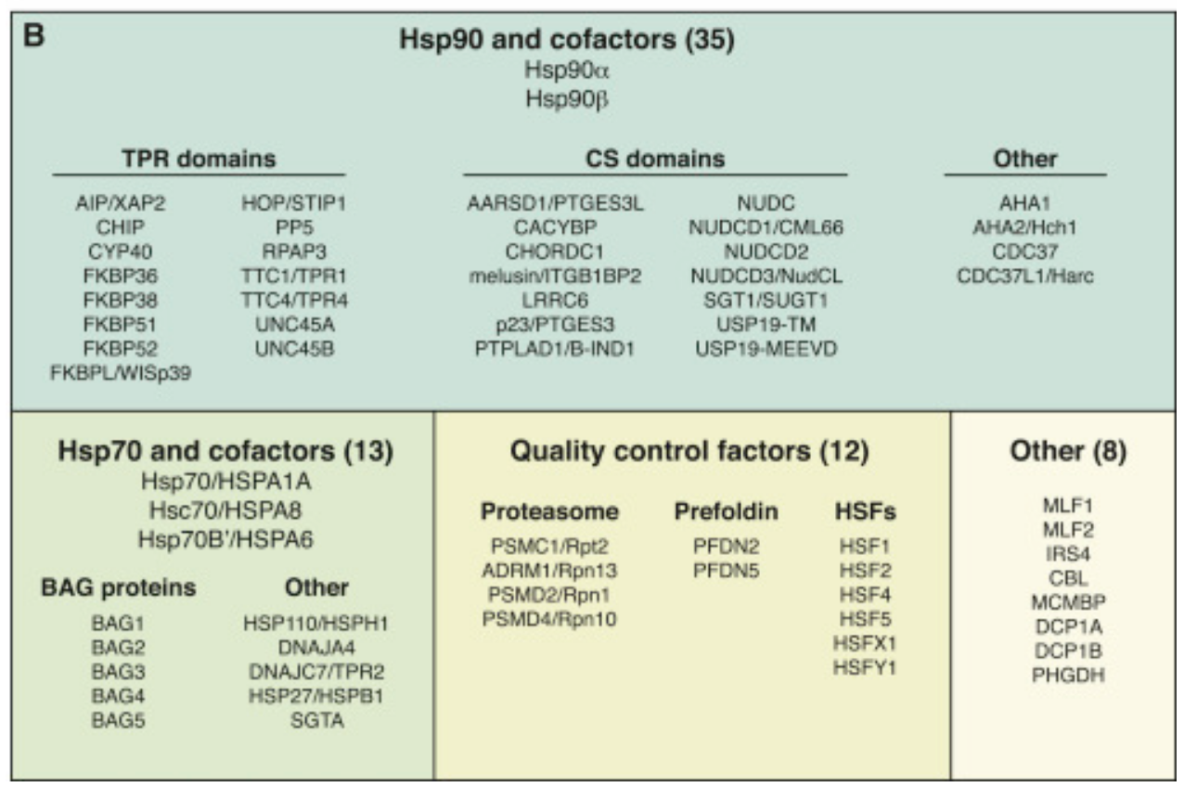

Broader "Chaperome" network: https://www.sciencedirect.com/science/article/pii/S2211124714008250?via%3Dihub
Will have more HSP70 family, HSP40 family genes

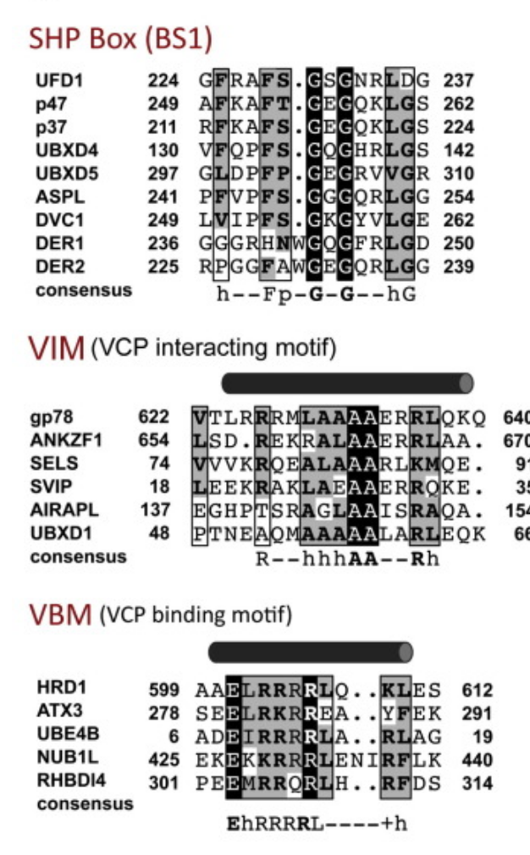
VCP interactors: https://www.sciencedirect.com/science/article/pii/S0014579315007280
HSP70 cofactors - need more

 | MORE ANNOTATIONS IN GENECARDS: https://www.genecards.org/cgi-bin/carddisp.pl?gene=VCP&keywords=OTU1

HSP70 interactors (maybe already included in box + "chaperome" above): https://www.frontiersin.org/articles/10.3389/fmolb.2015.00010/full
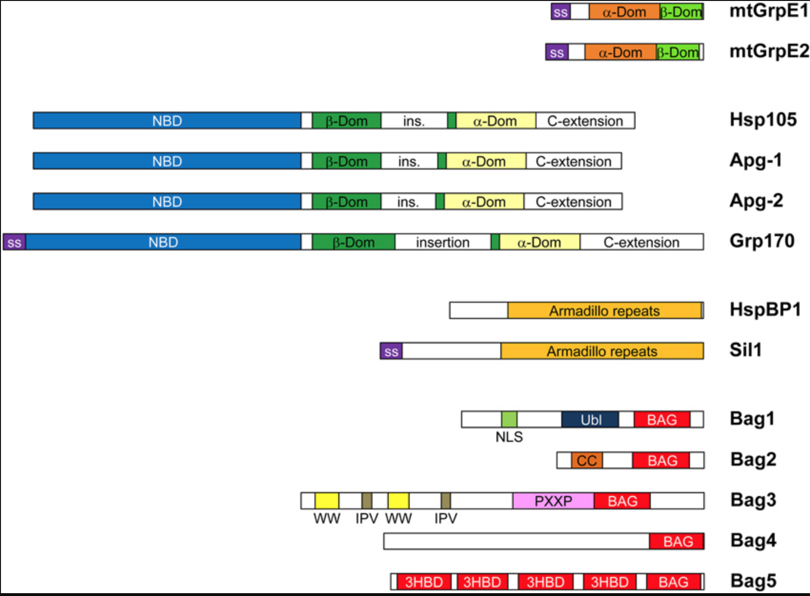

BiP/HSPA5 interactors: http://www.jbc.org/content/294/6/2098/F2.expansion.html
DNAJC1
DNAJC23
DNAJB11
DNAJB9
DNAJC10
DNAJC3
DNAJC25

Proteasome subunits
List of genes on this page: https://www.genenames.org/data/genegroup/#!/group/690
Also other ubiquitin DUBs and conjugating: https://link.springer.com/article/10.1007%2Fs00018-009-0048-9 enzymes
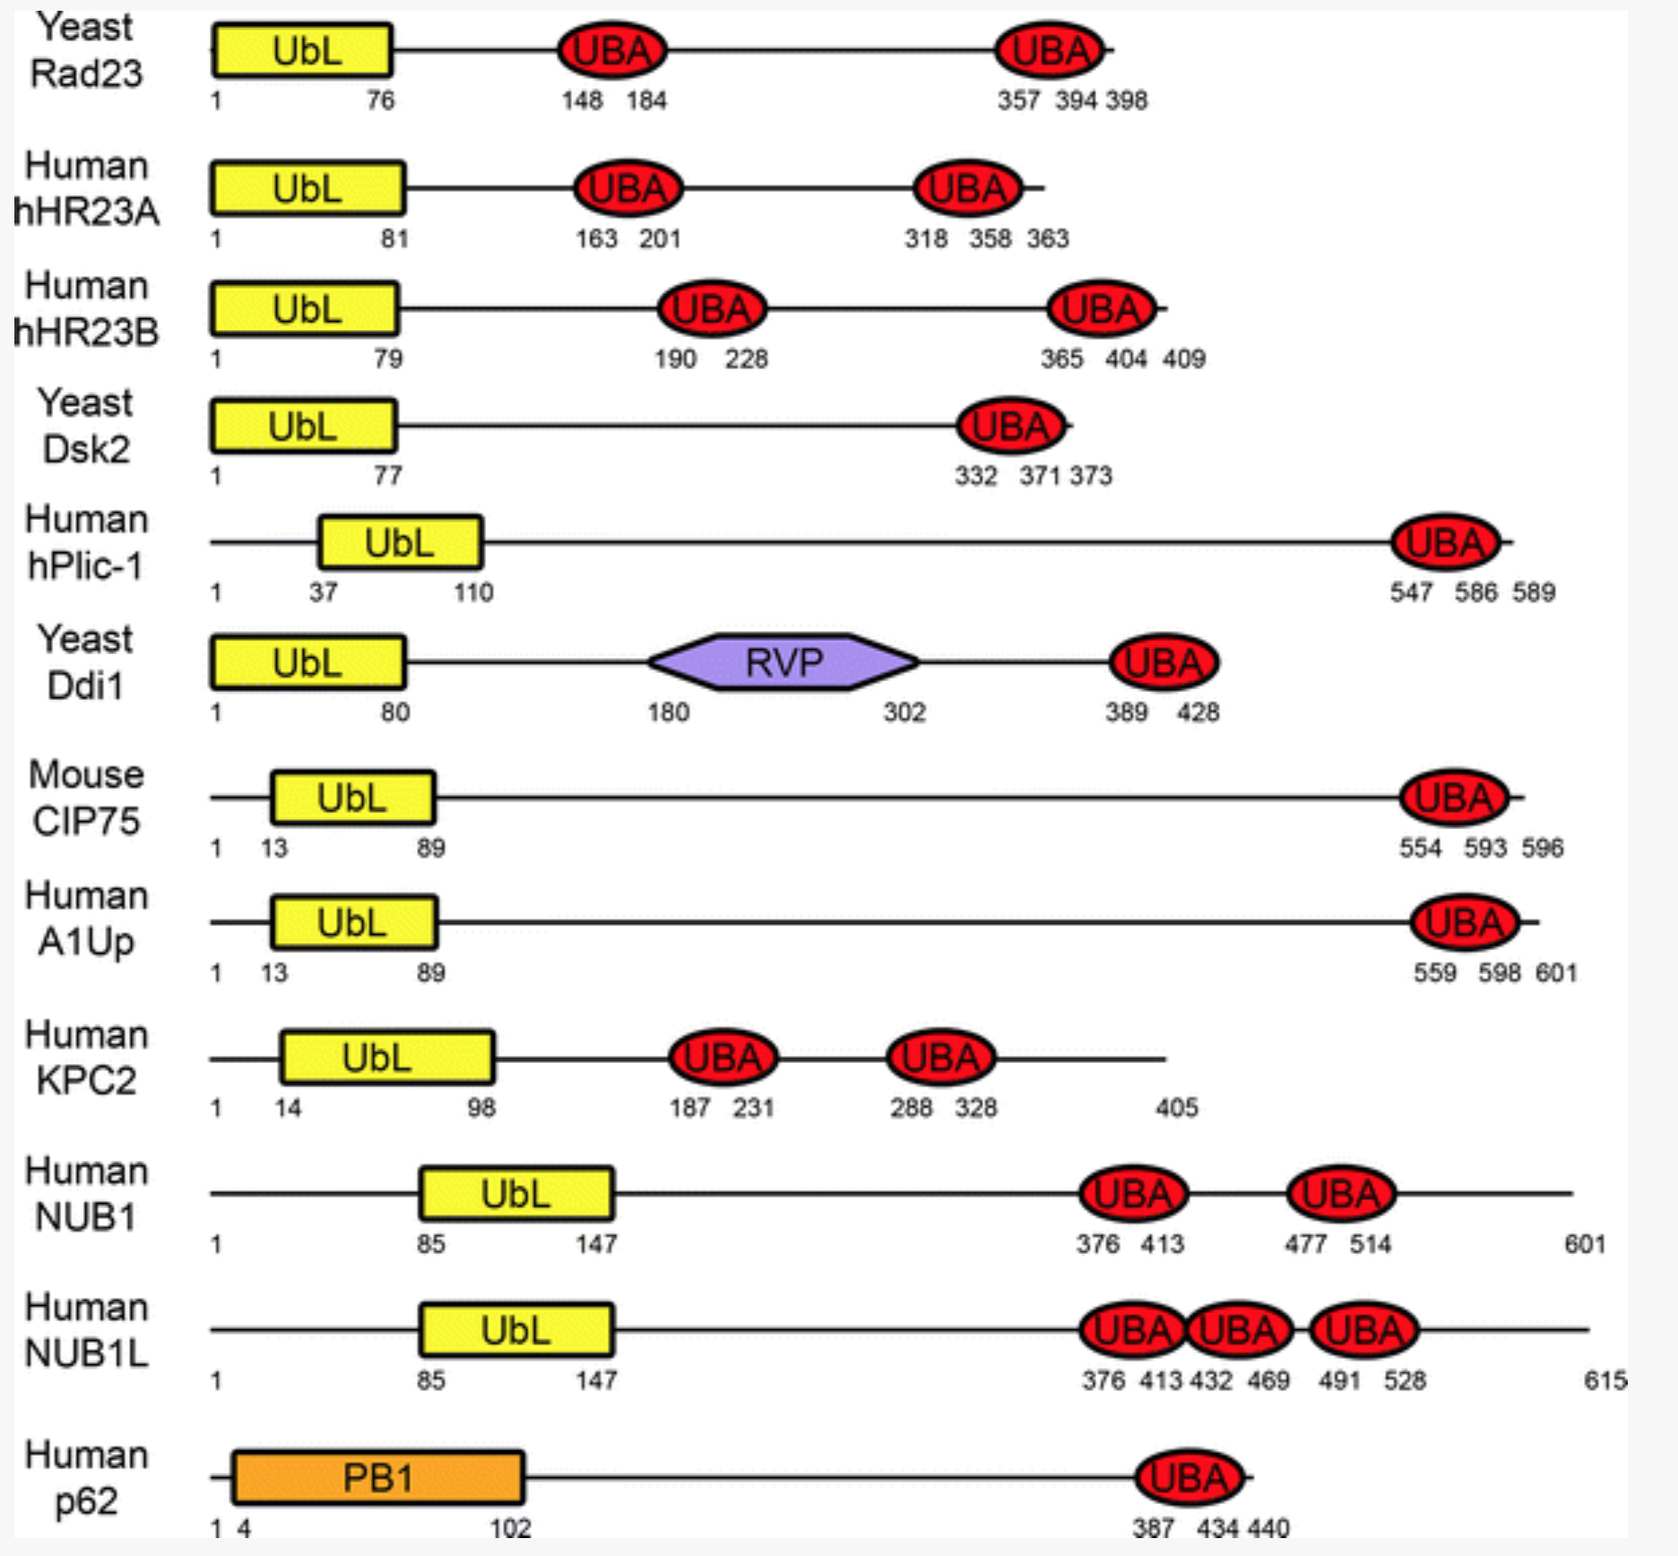

Also
UBQLN1
UBQLN2
USP14
USP2
UCHL5
UBE3C

